Lesson 17
Refer to the following formula for calculating the t-test statistic. Use the proper excel commands to solve for the t-test statistic by substituting the given values in the problem

Formula:

 | X-bar:
 | mu:
 | s:
 | n:

 | t:

PROBLEM A
The average daily income of Bingo grocery store is Php 15,000, declaring that it has less than daily income among the same type of grocery stores, with a standard deviation of Php 2,000. A random sample of 20 similar grocery stores were surveyed about their daily income, with the average being Php 19,000.

Lesson 18
Refer to the following formula for calculating the z-test statistic. Use the proper excel commands to solve for the z-test statistic by substituting the given values in the problem


You may use this excel spreadsheet to perform computations using excel commands.

PROBLEM A |  | PROBLEM B
Given Values: |  | Given Values:
Ho: p = | 0.57 | Ho: p = | 0.43
Ha: p ≠ | 0.57 | Ha: p > | 0.43
α | 0.05 | α | 0.01
n | 1000 | n | 1500
x | 450 | x | 700

Lesson 19
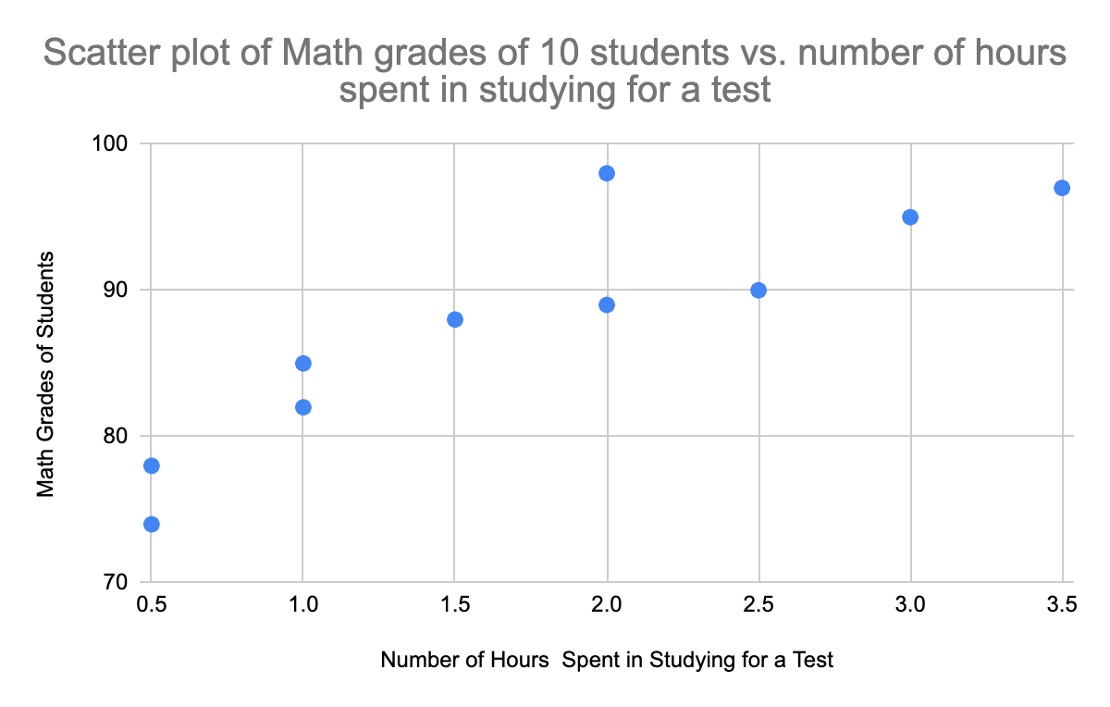
Refer to the given data and scatter plot below:
Student | Number of hours spent in studying for a test (x) | Math grades (y)
1 | 0.5 | 78
2 | 1 | 82
3 | 2.5 | 90
4 | 2 | 98
5 | 1 | 85
6 | 3 | 95
7 | 3.5 | 97
8 | 2 | 89
9 | 1.5 | 88
10 | 0.5 | 74

Lesson 20
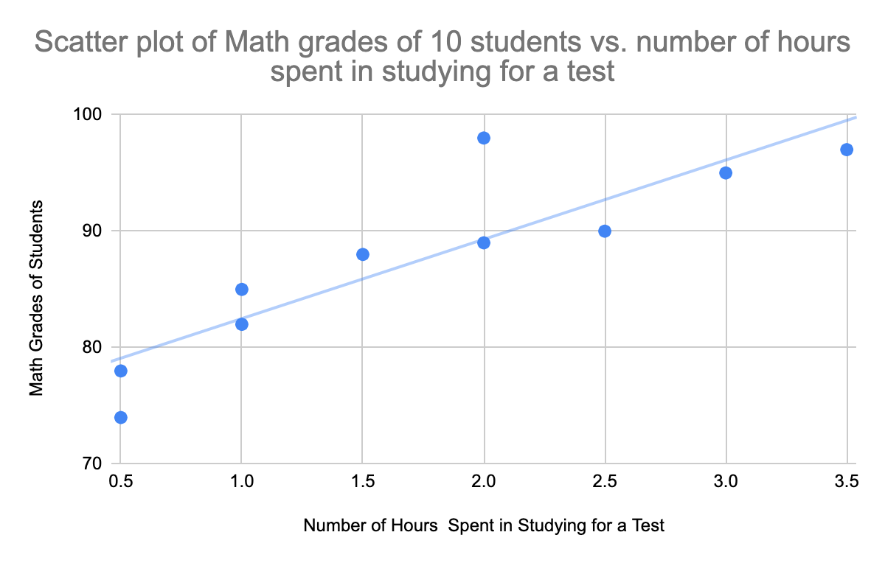
PROBLEM A
Refer to the given data and scatter plot below:
Student | Number of hours spent in studying for a test (x) | Math grades (y) |  | You may use this excel spreadsheet to perform computations using excel commands.
1 | 0.5 | 78
2 | 1 | 82
3 | 2.5 | 90
4 | 2 | 98
5 | 1 | 85
6 | 3 | 95
7 | 3.5 | 97
8 | 2 | 89
9 | 1.5 | 88
10 | 0.5 | 74

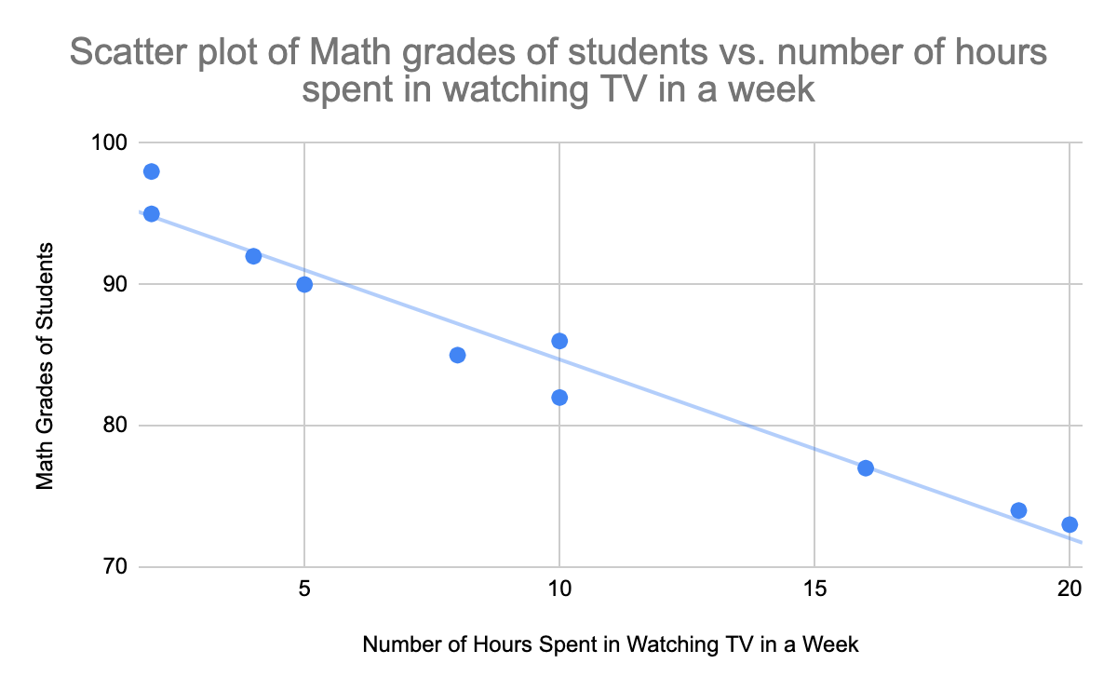
PROBLEM B
Refer to the given data and scatter plot below:
Student | Number of hours spent in watching TV in a week (x) | Math grades (y) |  | You may use this excel spreadsheet to perform computations using excel commands.
1 | 2 | 98
2 | 19 | 74
3 | 4 | 92
4 | 16 | 77
5 | 8 | 85
6 | 10 | 86
7 | 10 | 82
8 | 2 | 95
9 | 5 | 90
10 | 20 | 73

PROBLEM C
Refer to the given data below:
Year | Advertising in million peso (x) | Sales in million peso (y) | You may use this excel spreadsheet to perform computations using excel commands.
1 | 23 | 651
2 | 26 | 763
3 | 30 | 857
4 | 35 | 1,062
5 | 46 | 1,189
6 | 48 | 1,298
7 | 52 | 1,422
8 | 57 | 1,440
9 | 58 | 1,519
10 | 60 | 1,603

